EXERCISE 02
EXERCISE 02

1. Search for the keyword 'Invoice' in the template library.
2. Open the template and then save it as 'Invoice Template' with the correct template file extension.
3. Save the file to the default template folder.
WORKING WITH TEMPLATES

WORKING WITH WORKBOOKS AND WORKSHEETS
1. Create a new blank workbook.
2. Rename 'Sheet1' to 'Summary'.
3. Add three more worksheets.
4. Rename the worksheets, 'Sales Data', 'Calculations' and 'Charts'.

ENTERING DATA
1. Add the title 'Sales Data for 2020' in cell A1 on the 'Sales Data' worksheet.
2. Format the title (font=14pts, bold).
3. In cells A3:C3 enter the headings 'Month', 'Revenue' and 'Profit'.
3. In cell A4, enter 'Jan'. Use the fill handle to copy down the months 'Feb' and 'Mar'.
4. Add values for 'Revenue' and 'Profit'.

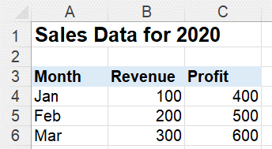

SAVING AN EXCEL WORKBOOK
1. Create a folder on your desktop and name it 'Excel Practice Files'.
2. Save the workbook as Exercise02 Practice'.

